Sheet1
$$R^{2}GA$$
$$R^{2}GA$$
When scheduling time is limited |  |  |  |  |  |  |  |  |  |  |  |  |  |  | HGA |  |  | NGA |  |  | LWSGA |  |  | DE |  |  | GWO |  |  | HEFT | TMGA
 | algorithm |  |  | HGA | NGA | LWSGA | DE | GWO | TMGA |  |  | max | min | ave | max | min | ave | max | min | ave | max | min | ave | max | min | ave | max | min | ave |  | max | min | ave
Limited values | case |  | ms | ms | ms | ms | ms | ms | ms | Epigenomics | 24 | 2324.86 | 2323.39 | 2324.566 | 2580.71 | 2323.39 | 2366.861 | 2323.39 | 2323.39 | 2323.39 | 2646.75 | 2417.74 | 2528.191 | 2420.38 | 2359.49 | 2385.837 | 2640.11 | 2405.9 | 2484.716 | 2821.82 | 2339.88 | 2338.7 | 2339.742
9.1635 | Epigenomics | 24 | 2324.86 | 2347.31 | 2323.39 | 2619.49 | 2359.49 | 2440.92 | 2339.88 | Epigenomics | 100 | 36091.93 | 35479.71 | 35737.765 | 44499.62 | 41385.12 | 43089.936 | 35322.8 | 35248.17 | 35270.112 | 41158.08 | 39581.26 | 40242.727 | 48786.18 | 45678.4 | 47302.872 | 44804.08 | 38881.06 | 42349.942 | 38968.29 | 36300.5 | 35757.69 | 35965.475
 | Epigenomics | 24 | 2324.86 | 2323.39 | 2323.39 | 2525.2 | 2394.58 | 2424.81 | 2339.88 | Epigenomics | 997 | 323398.47 | 322894.77 | 323073.156 | 604608.98 | 558104.98 | 579155.192 | 323053.23 | 322868.65 | 322971.228 | 479766.14 | 447760.29 | 462399.139 | 513466.36 | 486680.51 | 499595.513 | 1235280.92 | 966787.93 | 1125152.614 | 327255.84 | 323864.3 | 323428.93 | 323712.712
 | Epigenomics | 24 | 2324.86 | 2351.2 | 2323.39 | 2417.74 | 2408.58 | 2405.9 | 2339.88 | Ligo | 30 | 657.52 | 655.77 | 657.072 | 681.36 | 664.1 | 673.256 | 658.17 | 658.03 | 658.058 | 851.77 | 726.71 | 817.553 | 760.44 | 692.35 | 731.405 | 868.75 | 750.1 | 820.589 | 733.03 | 675.98 | 663.17 | 667.342
 | Epigenomics | 24 | 2324.86 | 2340.65 | 2323.39 | 2646.75 | 2379.67 | 2640.11 | 2339.88 | Ligo | 100 | 1766.52 | 1754.65 | 1759.571 | 1922.54 | 1825.74 | 1870.554 | 1761.64 | 1758.02 | 1759.87 | 2533.77 | 2050.83 | 2301.637 | 2462.82 | 2291.1 | 2383.706 | 2703.59 | 2362.61 | 2529.178 | 1915.3 | 1842.6 | 1817.39 | 1831.776
 | Epigenomics | 24 | 2323.39 | 2324.86 | 2323.39 | 2467.87 | 2371.6 | 2513.09 | 2339.68 | Ligo | 1000 | 18987.4 | 18978.95 | 18981.893 | 21830.47 | 20816.49 | 21176.512 | 18976.87 | 18975.95 | 18976.33 | 31642.92 | 28537.59 | 30568.527 | 28133.72 | 26792.39 | 27576.495 | 91028.25 | 85230.71 | 88453.536 | 19139.88 | 19044.53 | 19017.07 | 19032.735
 | Epigenomics | 24 | 2323.39 | 2337.38 | 2323.39 | 2446.73 | 2362.08 | 2491.04 | 2338.7 | Montage | 25 | 28.11 | 28.11 | 28.11 | 28.37 | 28.15 | 28.241 | 28.09 | 28.09 | 28.09 | 41.98 | 39.45 | 40.741 | 30.63 | 30.15 | 30.431 | 40.71 | 37.41 | 38.981 | 28.49 | 28.2 | 28.09 | 28.149
 | Epigenomics | 24 | 2324.86 | 2356.68 | 2323.39 | 2641.86 | 2361.53 | 2449.76 | 2339.88 | Montage | 100 | 103.74 | 103.57 | 103.685 | 105.08 | 104.14 | 104.626 | 103.79 | 103.03 | 103.313 | 156.43 | 140.04 | 149.492 | 128.16 | 122.38 | 125.073 | 167.84 | 132.61 | 151.623 | 104.82 | 104.13 | 103.98 | 104.075
 | Epigenomics | 24 | 2324.86 | 2324.86 | 2323.39 | 2505.75 | 2388.15 | 2434.69 | 2339.88 | Montage | 1000 | 1034.86 | 1034.55 | 1034.761 | 1061.08 | 1037.44 | 1046.226 | 1034.47 | 1034.16 | 1034.291 | 1842.03 | 1785.74 | 1816.841 | 1398.94 | 1342.35 | 1372.943 | 5674.01 | 5224.32 | 5467.41 | 1035.85 | 1035.06 | 1034.63 | 1034.836
 | Epigenomics | 24 | 2324.86 | 2381.57 | 2323.39 | 2433.02 | 2420.38 | 2428.9 | 2339.88
 | Epigenomics | 24 | 2324.86 | 2580.71 | 2323.39 | 2577.5 | 2412.31 | 2617.94 | 2339.88
$$R^{2}GA$$
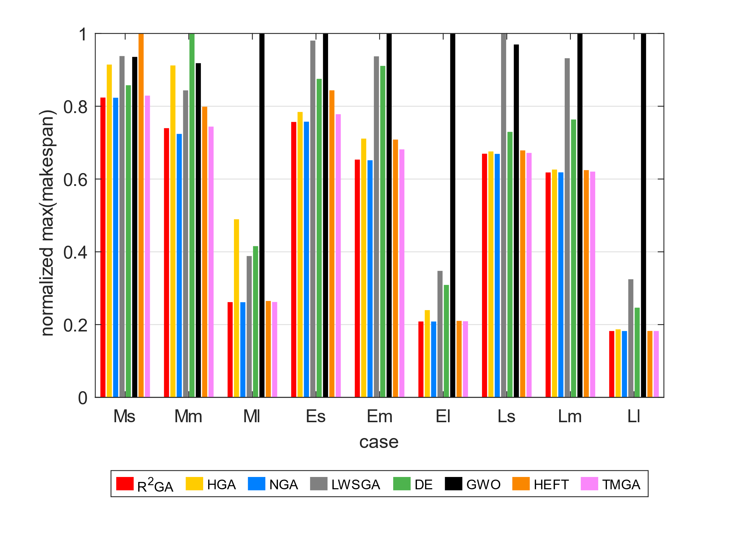
59.8967 | Epigenomics | 100 | 35642.96 | 44024.06 | 35291.01 | 40151.88 | 46461.72 | 44075.51 | 35803.85 | max_norm_ms |  |  | HGA | NGA | LWSGA | DE | GWO | HEFT | TMGA |  |  |  |  |  | HGA | NGA | LWSGA | DE | GWO | HEFT | TMGA
 | Epigenomics | 100 | 35479.71 | 41385.12 | 35269.22 | 40215.87 | 48026.37 | 40264.29 | 35966.25 | Epigenomics | 24 | 0.82388671141 | 0.91455514526 | 0.82336577103 | 0.9379584807 | 0.85773720507 | 0.93560538943 | 1 | 0.82920951726 |  |  |  |  |  | 0.017869659435 | -0.00050590088645 | 0.080541778687 | 0.025681134126 | 0.064454046257 | 0.17621747666 | 0.006486185229
 | Epigenomics | 100 | 36091.93 | 43669.79 | 35256.83 | 39581.26 | 45678.4 | 44379.64 | 35967.87 | Epigenomics | 100 | 0.73979823794 | 0.91213577288 | 0.7240329126 | 0.84364219539 | 1 | 0.91837647465 | 0.79875673808 | 0.74407342407 |  |  |  |  |  | 0.17062385519 | -0.013085681211 | 0.11194474967 | 0.24449058822 | 0.15613190214 | 0.082901379558 | 0.006331349718
 | Epigenomics | 100 | 35674.16 | 43555.4 | 35250.44 | 39989.72 | 48266.62 | 40566.34 | 35978.35 | Epigenomics | 997 | 0.26180155847 | 0.48945059396 | 0.26152207548 | 0.38838626278 | 0.41566768472 | 1 | 0.26492422469 | 0.26217866297 |  |  |  |  |  | 0.44216479372 | -0.00031549510724 | 0.30131107792 | 0.35333054923 | 0.71286281347 | 0.012781082837 | 0.0019756900989
 | Epigenomics | 100 | 35601.38 | 43343.38 | 35280.85 | 40105.04 | 47848.3 | 38881.06 | 36025.32 | Ligo | 30 | 0.75685755396 | 0.78429928058 | 0.7576057554 | 0.98045467626 | 0.87532661871 | 1 | 0.84377553957 | 0.77810647482 |  |  |  |  |  | 0.024038404411 | 0.0014983481699 | 0.19629430753 | 0.10163042364 | 0.19926784298 | 0.10362195272 | 0.015389410527
 | Epigenomics | 100 | 35912.42 | 42963.8 | 35322.8 | 41158.08 | 47322.98 | 41381.06 | 35780.96 | Ligo | 100 | 0.65339788947 | 0.71110634379 | 0.65159288206 | 0.93718722144 | 0.91094433697 | 1 | 0.70842842295 | 0.68153825099 |  |  |  |  |  | 0.059331620472 | 0.00016989891299 | 0.23551324557 | 0.26183388388 | 0.30429135474 | 0.081307889104 | 0.039418029279
 | Epigenomics | 100 | 35859.28 | 41485.76 | 35248.17 | 39925.49 | 46318.5 | 44451.78 | 36300.5 | Ligo | 1000 | 0.20858799329 | 0.23982082485 | 0.20847231491 | 0.3476164817 | 0.30906581199 | 1 | 0.21026307767 | 0.20921560065 |  |  |  |  |  | 0.10363458345 | -0.00029306876822 | 0.37903802169 | 0.31166404578 | 0.7854026661 | 0.0082543359728 | 0.0026712923813
 | Epigenomics | 100 | 35517.24 | 43248.93 | 35274.4 | 40602.9 | 48415.47 | 41285.09 | 36159.89 | Montage | 25 | 0.66960457361 | 0.67579799905 | 0.66912815626 | 1 | 0.72963315865 | 0.96974749881 | 0.6786565031 | 0.67174845164 |  |  |  |  |  | 0.0046386459403 | -0.00071149057275 | 0.31003166343 | 0.076270907956 | 0.27887945409 | 0.013338013338 | 0.0013854843867
 | Epigenomics | 100 | 35955.51 | 42723.5 | 35250.28 | 40381.1 | 45904.18 | 43410.57 | 35757.69 | Montage | 100 | 0.61808865586 | 0.62607244995 | 0.61838655863 | 0.93201858913 | 0.76358436606 | 1 | 0.62452335558 | 0.62041229743 |  |  |  |  |  | 0.0089939403208 | -0.0035877899407 | 0.30641773473 | 0.17100413359 | 0.31616575322 | 0.010828086243 | 0.0037472976219
 | Epigenomics | 100 | 35643.06 | 44499.62 | 35257.12 | 40315.93 | 48786.18 | 44804.08 | 35914.07 | Montage | 1000 | 0.18238600214 | 0.1870070726 | 0.18231726768 | 0.32464341797 | 0.24655226198 | 1 | 0.18256048192 | 0.18242125058 |  |  |  |  |  | 0.010958435367 | -0.00045421116567 | 0.43046144379 | 0.24631903874 | 0.81074018594 | 0.0010513105179 | 7.2475252117E-05
3070.6067741 | Epigenomics | 997 | 323003.82 | 604608.98 | 322973.07 | 453092.19 | 507264.49 | 1160117.43 | 323864.3 |  |  |  |  |  |  |  |  |  |  |  |  |  |  |  | 0.093583770922 | -0.0019205989522 | 0.26128378033 | 0.19913607835 | 0.40313289099 | 0.054477947439 | 0.0086085793882
$$R^{2}GA$$
 | Epigenomics | 997 | 322938.43 | 577951.97 | 323002.57 | 476615.77 | 506134.78 | 1235280.92 | 323428.93 | min_norm_ms |  |  | HGA | NGA | LWSGA | DE | GWO | HEFT | TMGA
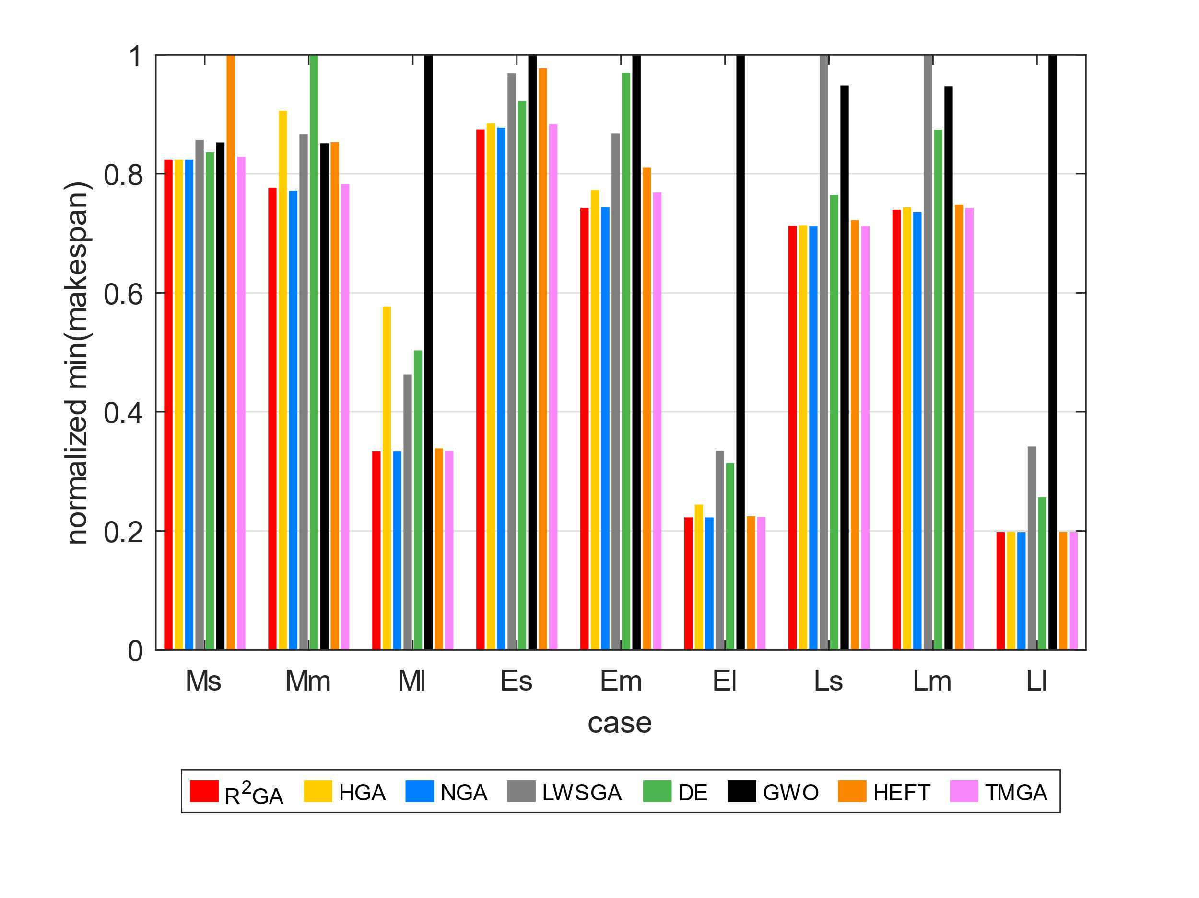
 | Epigenomics | 997 | 322918.67 | 569895.76 | 322896.05 | 479766.14 | 488018.16 | 1170566.42 | 323837.53 | Epigenomics | 24 | 0.82336577103 | 0.82336577103 | 0.82336577103 | 0.85680163866 | 0.83615893289 | 0.85260576507 | 1 | 0.82879134743
 | Epigenomics | 997 | 322944.02 | 558104.98 | 323012.85 | 447760.29 | 513466.36 | 1053809.97 | 323844.71 | Epigenomics | 100 | 0.77672838803 | 0.90601071841 | 0.77165947144 | 0.86652028092 | 1 | 0.85119137273 | 0.85310102806 | 0.78281397772
 | Epigenomics | 997 | 322894.77 | 574541.82 | 323027.36 | 455903.83 | 486680.51 | 966787.93 | 323803.94 | Epigenomics | 997 | 0.33398717545 | 0.57727756283 | 0.33396015815 | 0.46314220121 | 0.50339944769 | 1 | 0.33849806131 | 0.33453968545
 | Epigenomics | 997 | 323323.89 | 602083.77 | 322868.65 | 456267.2 | 503275.31 | 1108178.71 | 323724.68 | Ligo | 30 | 0.87424343421 | 0.88534862018 | 0.87725636582 | 0.968817491 | 0.9230102653 | 1 | 0.97724303426 | 0.8841087855
 | Epigenomics | 997 | 323329.68 | 577010.55 | 322936.81 | 461350.07 | 489602.25 | 1131218.5 | 323743.29 | Ligo | 100 | 0.74267441516 | 0.77276401945 | 0.74410080377 | 0.868035774 | 0.96973262621 | 1 | 0.81067124917 | 0.76922979248
 | Epigenomics | 997 | 323398.47 | 602387.26 | 322917.52 | 475090.29 | 494111.03 | 1155951.22 | 323471.97 | Ligo | 1000 | 0.22267736594 | 0.24423696576 | 0.22264216736 | 0.33482755218 | 0.31435136467 | 1 | 0.22456553512 | 0.22312462257
 | Epigenomics | 997 | 322924.24 | 561938.07 | 323053.23 | 467259.66 | 499110.43 | 1047589.14 | 323569.31 | Montage | 25 | 0.71254752852 | 0.71356147022 | 0.71204055767 | 1 | 0.76425855513 | 0.94828897338 | 0.72217997465 | 0.71204055767
 | Epigenomics | 997 | 323055.57 | 563028.76 | 323024.17 | 450885.95 | 508291.81 | 1222025.9 | 323838.46 | Montage | 100 | 0.73957440731 | 0.74364467295 | 0.73571836618 | 1 | 0.87389317338 | 0.94694373036 | 0.74850042845 | 0.74250214225
11.280795813 | Ligo | 30 | 657.38 | 676.3 | 658.17 | 851.77 | 732.53 | 830.91 | 666.24 | Montage | 1000 | 0.19802577178 | 0.19857895382 | 0.19795112091 | 0.34181290579 | 0.25694253032 | 1 | 0.19827460799 | 0.19804108477
 | Ligo | 30 | 657.38 | 681.1 | 658.03 | 839.56 | 692.35 | 868.75 | 665.95
$$R^{2}GA$$
 | Ligo | 30 | 657.38 | 668.61 | 658.03 | 837.85 | 755.59 | 790.18 | 666.27 | average_norm_ms |  |  | HGA | NGA | LWSGA | DE | GWO | HEFT | TMGA
 | Ligo | 30 | 657.38 | 673.23 | 658.03 | 816.12 | 713.96 | 852.01 | 666.28 | Epigenomics | 24 | 0.82378252334 | 0.83877107682 | 0.82336577103 | 0.89594339823 | 0.84549581476 | 0.88053667491 | 1 | 0.82916061265
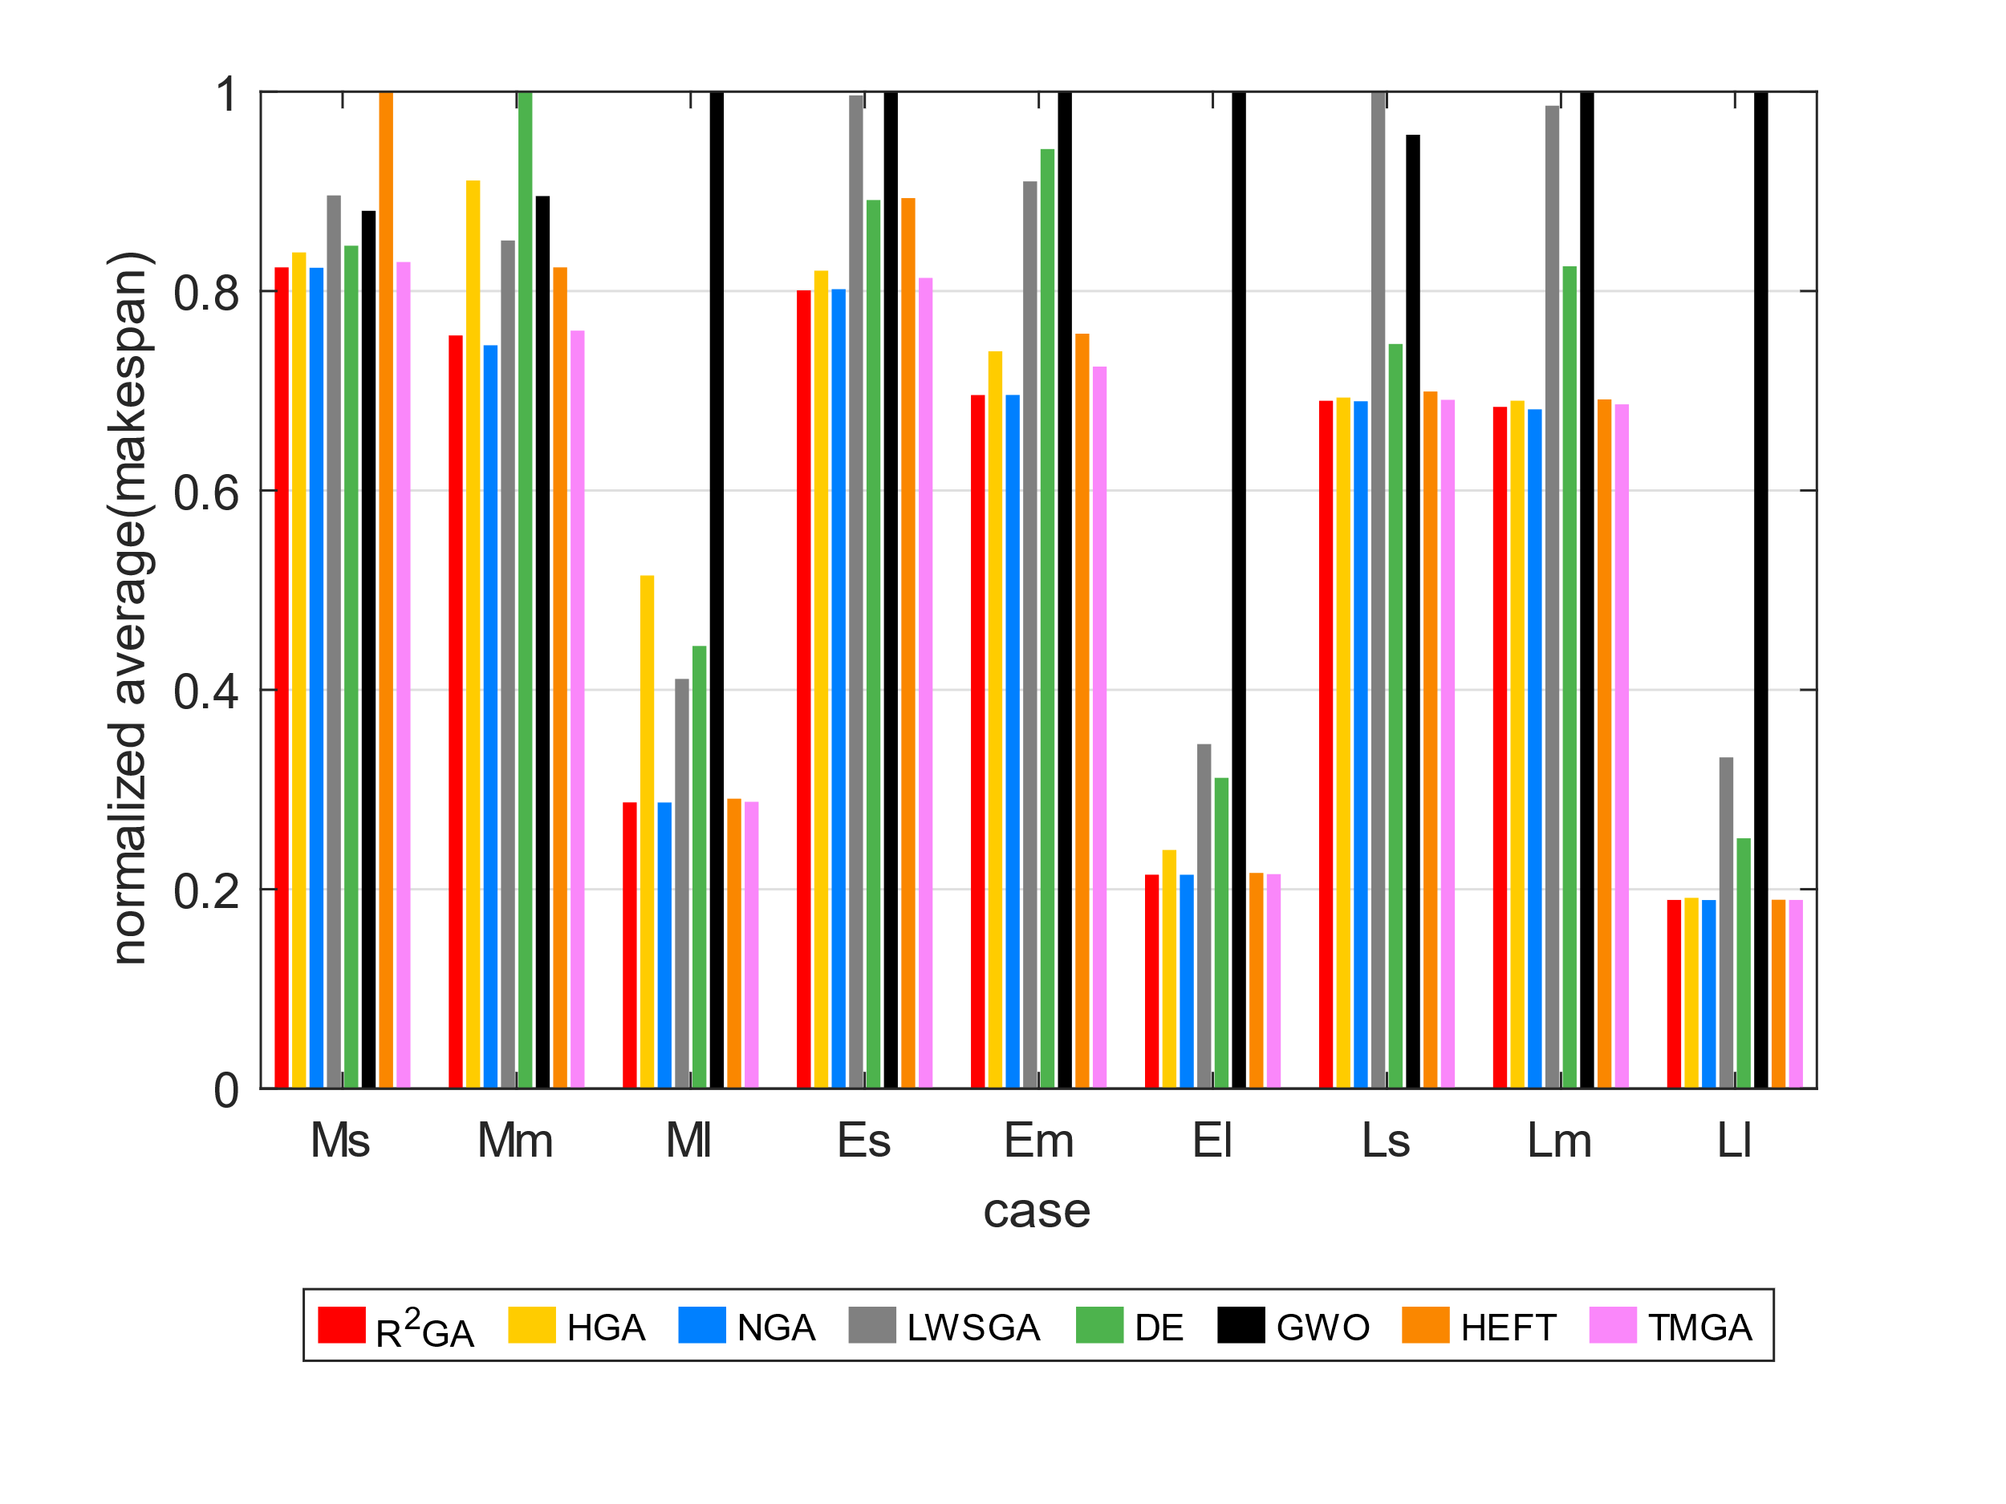
 | Ligo | 30 | 655.77 | 681.36 | 658.03 | 838.98 | 719.62 | 798.73 | 675.98 | Epigenomics | 100 | 0.75550941178 | 0.91093699342 | 0.74562305646 | 0.85074595471 | 1 | 0.89529324985 | 0.82380389081 | 0.76032328439
 | Ligo | 30 | 655.77 | 665.89 | 658.17 | 796.07 | 730.03 | 821.09 | 669.76 | Epigenomics | 997 | 0.28713718653 | 0.51473478779 | 0.28704659615 | 0.41096570656 | 0.44402466544 | 1 | 0.29085462357 | 0.28770560364
 | Ligo | 30 | 657.52 | 668.61 | 658.03 | 808.88 | 760.44 | 851.58 | 663.17 | Ligo | 30 | 0.80073215702 | 0.82045457592 | 0.80193373296 | 0.9963002185 | 0.89131709053 | 1 | 0.89329737542 | 0.81324755755
 | Ligo | 30 | 657.38 | 676.3 | 658.03 | 726.71 | 730.71 | 867.68 | 668.6 | Ligo | 100 | 0.69570864526 | 0.73958970069 | 0.69582686549 | 0.91003361566 | 0.94248249827 | 1 | 0.75728161482 | 0.72425744649
 | Ligo | 30 | 657.38 | 664.1 | 658.03 | 838.38 | 727.02 | 750.1 | 663.48 | Ligo | 1000 | 0.2145973339 | 0.23940831489 | 0.21453444213 | 0.34558852458 | 0.31176249415 | 1 | 0.21638343548 | 0.21517212155
 | Ligo | 30 | 657.38 | 677.06 | 658.03 | 821.21 | 751.8 | 774.86 | 667.69 | Montage | 25 | 0.68996833657 | 0.69318377065 | 0.6894774306 | 1 | 0.74693797403 | 0.95680027491 | 0.69929554994 | 0.6909256032
56.07103157 | Ligo | 100 | 1756.35 | 1888.48 | 1760.31 | 2255.6 | 2370.67 | 2703.59 | 1826.38 | Montage | 100 | 0.68383424678 | 0.69004042922 | 0.68138079315 | 0.98594540406 | 0.82489464 | 1 | 0.69131991848 | 0.68640641591
 | Ligo | 100 | 1755.74 | 1903.02 | 1761.01 | 2050.83 | 2355.88 | 2577.42 | 1835.73 | Montage | 1000 | 0.18925981406 | 0.19135678502 | 0.18917385014 | 0.33230377821 | 0.25111396438 | 1 | 0.1894589943 | 0.18927353171
 | Ligo | 100 | 1766.52 | 1860.92 | 1759.44 | 2247.99 | 2293.56 | 2362.61 | 1817.39
 | Ligo | 100 | 1754.65 | 1866.1 | 1760.53 | 2234.71 | 2418.31 | 2608.02 | 1827.06
 | Ligo | 100 | 1761.2 | 1833.29 | 1760.79 | 2318.16 | 2426.35 | 2541.7 | 1837.47
 | Ligo | 100 | 1757.53 | 1922.54 | 1758.6 | 2533.77 | 2291.1 | 2501.18 | 1824.03
 | Ligo | 100 | 1762.51 | 1890.31 | 1759.08 | 2444.05 | 2391.7 | 2530.29 | 1829.74
 | Ligo | 100 | 1762.97 | 1825.74 | 1759.28 | 2190.38 | 2462.82 | 2647.11 | 1841.28
 | Ligo | 100 | 1757.47 | 1832.59 | 1758.02 | 2420.63 | 2444.49 | 2412.14 | 1836.08
 | Ligo | 100 | 1760.77 | 1882.55 | 1761.64 | 2320.25 | 2382.18 | 2407.72 | 1842.6
3007.2592084 | Ligo | 1000 | 18978.95 | 21137.74 | 18976.24 | 31307.49 | 27309.51 | 88276.52 | 19027.42
 | Ligo | 1000 | 18981.85 | 21218.77 | 18976.34 | 30821.89 | 28133.72 | 87220.39 | 19030.54
 | Ligo | 1000 | 18980.85 | 21231.41 | 18975.99 | 30006.88 | 27860.52 | 91028.25 | 19039.6
 | Ligo | 1000 | 18980.34 | 21396.98 | 18976.59 | 30634.46 | 27134.42 | 90472.3 | 19020.82
 | Ligo | 1000 | 18980.82 | 21221.54 | 18975.95 | 28537.59 | 27898.54 | 90697.51 | 19027.06
 | Ligo | 1000 | 18980.45 | 20899.28 | 18976.28 | 30386.54 | 27674.46 | 85230.71 | 19017.07
 | Ligo | 1000 | 18984.18 | 21830.47 | 18976.5 | 30625.35 | 27980.81 | 88350.12 | 19035.8
 | Ligo | 1000 | 18979.4 | 21085.18 | 18976.21 | 30838.23 | 26792.39 | 86370.9 | 19043.25
 | Ligo | 1000 | 18987.4 | 20816.49 | 18976.33 | 31642.92 | 27539.61 | 89373.24 | 19041.26
 | Ligo | 1000 | 18984.69 | 20927.26 | 18976.87 | 30883.92 | 27440.97 | 87515.42 | 19044.53
9.7918040752 | Montage | 25 | 28.11 | 28.16 | 28.09 | 39.82 | 30.42 | 39.45 | 28.16
 | Montage | 25 | 28.11 | 28.22 | 28.09 | 41.06 | 30.51 | 38.57 | 28.2
 | Montage | 25 | 28.11 | 28.22 | 28.09 | 40.67 | 30.5 | 40.08 | 28.14
 | Montage | 25 | 28.11 | 28.26 | 28.09 | 41.98 | 30.6 | 39.53 | 28.15
 | Montage | 25 | 28.11 | 28.28 | 28.09 | 41.4 | 30.15 | 40.71 | 28.2
 | Montage | 25 | 28.11 | 28.15 | 28.09 | 40.87 | 30.33 | 39.11 | 28.14
 | Montage | 25 | 28.11 | 28.26 | 28.09 | 40.74 | 30.33 | 37.41 | 28.09
 | Montage | 25 | 28.11 | 28.37 | 28.09 | 40.24 | 30.63 | 38.24 | 28.09
 | Montage | 25 | 28.11 | 28.15 | 28.09 | 39.45 | 30.53 | 38.18 | 28.17
 | Montage | 25 | 28.11 | 28.34 | 28.09 | 41.18 | 30.31 | 38.53 | 28.15
67.758735657 | Montage | 100 | 103.57 | 104.31 | 103.06 | 154.52 | 126.39 | 162.55 | 104.12
 | Montage | 100 | 103.68 | 104.96 | 103.07 | 149.69 | 125.31 | 132.61 | 103.98
 | Montage | 100 | 103.74 | 104.43 | 103.79 | 156.43 | 128.16 | 145.62 | 104.08
 | Montage | 100 | 103.63 | 104.27 | 103.14 | 143.05 | 125.05 | 155.1 | 104.1
 | Montage | 100 | 103.7 | 105.08 | 103.13 | 152.23 | 122.38 | 152.64 | 104.01
 | Montage | 100 | 103.72 | 104.86 | 103.03 | 140.04 | 126.38 | 167.84 | 104.13
 | Montage | 100 | 103.74 | 105.03 | 103.75 | 150.29 | 123.84 | 146.21 | 104.11
 | Montage | 100 | 103.68 | 104.45 | 103.22 | 145.82 | 124.61 | 155.21 | 104.09
 | Montage | 100 | 103.65 | 104.73 | 103.33 | 151.29 | 125.01 | 150.37 | 104.12
 | Montage | 100 | 103.74 | 104.14 | 103.61 | 151.56 | 123.6 | 148.08 | 104.01
4125.5360589 | Montage | 1000 | 1034.79 | 1047.41 | 1034.19 | 1796.73 | 1398.94 | 5503.01 | 1034.86
 | Montage | 1000 | 1034.55 | 1037.46 | 1034.47 | 1806.53 | 1398.57 | 5463.95 | 1035.01
 | Montage | 1000 | 1034.84 | 1037.44 | 1034.41 | 1829.33 | 1379.26 | 5600.2 | 1034.7
 | Montage | 1000 | 1034.7 | 1037.52 | 1034.16 | 1836.05 | 1392.26 | 5399.36 | 1034.96
 | Montage | 1000 | 1034.77 | 1056.89 | 1034.32 | 1842.03 | 1382.06 | 5443.17 | 1034.63
 | Montage | 1000 | 1034.74 | 1037.63 | 1034.25 | 1820.66 | 1351.56 | 5434.66 | 1034.7
 | Montage | 1000 | 1034.75 | 1061.08 | 1034.29 | 1832.52 | 1349.75 | 5423.81 | 1034.82
 | Montage | 1000 | 1034.86 | 1046.51 | 1034.24 | 1785.74 | 1381.8 | 5224.32 | 1034.71
 | Montage | 1000 | 1034.76 | 1049.21 | 1034.35 | 1821.63 | 1352.88 | 5674.01 | 1034.91
 | Montage | 1000 | 1034.85 | 1051.11 | 1034.23 | 1797.19 | 1342.35 | 5507.61 | 1035.06

